Spherical Roller Bearings
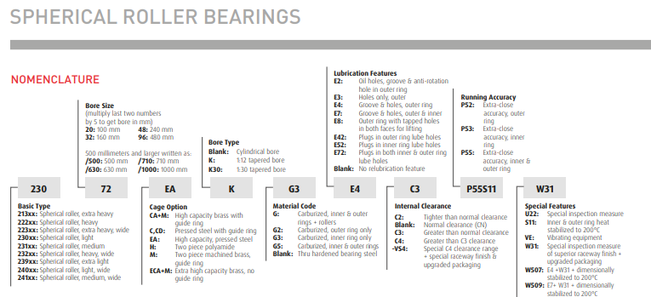
Spherical Roller Bearings | Return to Contents
Over-the-Counter Identification Guide
Audience: New counter staff / inside sales
Purpose: Correctly identify spherical roller bearings and understand why they’re used instead of tapered or cylindrical rollers.
1. What Is a Spherical Roller Bearing? (Plain Language)
A spherical roller bearing uses barrel-shaped rollers and a self-aligning outer race to handle heavy loads and shaft misalignment.
If the customer says “the shaft isn’t perfectly straight” or “it moves a little”, spherical rollers are often the solution.
2. Immediate Visual ID (5–10 Second Check)
You are likely looking at a spherical roller bearing if:
Rollers are barrel-shaped (fat in the middle)
There are two rows of rollers
Outer ring raceway is curved, not straight
Bearing is large and heavy
⚠️ If rollers are tapered → not spherical.
⚠️ If there’s only one row → likely not spherical.
3. Why Spherical Rollers Are Used
Spherical roller bearings are chosen because they:
Handle very heavy radial loads
Handle moderate thrust loads
Self-align when shafts or housings are misaligned
Typical applications:
Conveyors
Crushers
Pulp & paper equipment
Mining, aggregate, and heavy industry
4. Common Mounting Styles (VERY IMPORTANT)
A. Straight Bore
Press-fit onto shaft
Less forgiving during installation
B. Tapered Bore (Very Common)
Mounted using:
Adapter sleeves
Withdrawal sleeves
Allows easier installation and removal
Counter tip:
If the bearing came with a sleeve, it’s almost always spherical.
5. Key Measurements & Identification
Always identify:
Bore size (or taper)
Outside diameter
Width
Bore type (straight or tapered)
⚠️ Tapered bore ≠ tapered roller.
6. 30-Second Counter Questions (Spherical-Specific)
Ask these:
Is the equipment heavy-duty?
Does the shaft experience misalignment or movement?
Is the bearing mounted with a sleeve?
Was there shaft wear or vibration?
Does the application run continuously?
7. Common Customer Language → What It Means
“Big roller bearing” → Possibly spherical
“It can move a little” → Self-aligning needed
“Bearing came with a sleeve” → Spherical roller
“Keeps failing” → Misalignment issue
8. Common Mistakes to Avoid
❌ Confusing with tapered roller bearings
❌ Ignoring bore type (straight vs tapered)
❌ Forgetting sleeve requirements
❌ Substituting with cylindrical rollers
9. When to Escalate
Escalate if:
Extreme loads or shock loading
High vibration environments
Bearing uses special clearance or seals
Replacement includes sleeves, nuts, or lock washers
10. Final Counter Confidence Check
Before selling, confirm:
✔ Barrel-shaped rollers
✔ Two rows
✔ Bore type confirmed
✔ Sleeve or mounting method identified
If all four are confirmed → correct bearing selected.

